Damping Theory
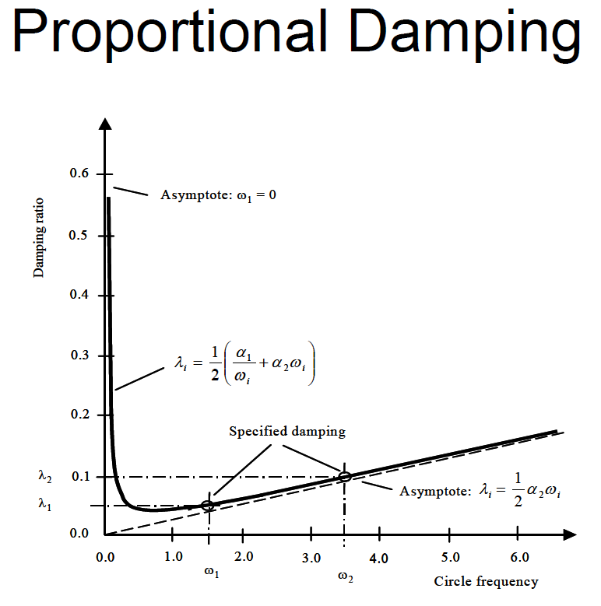
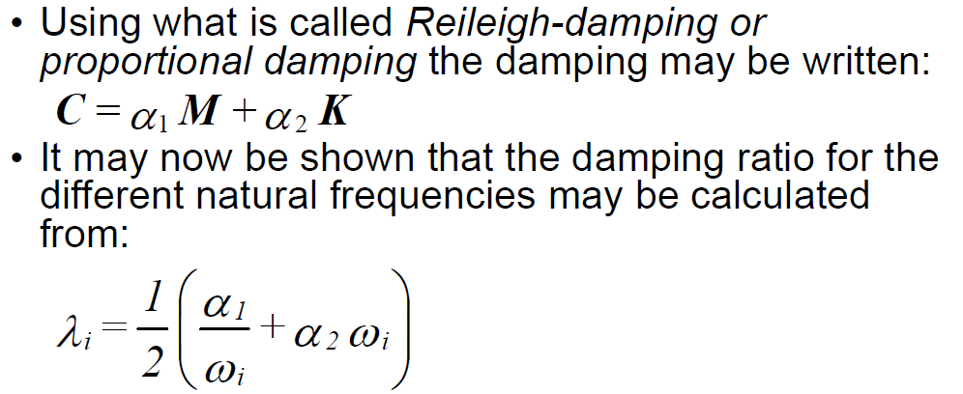

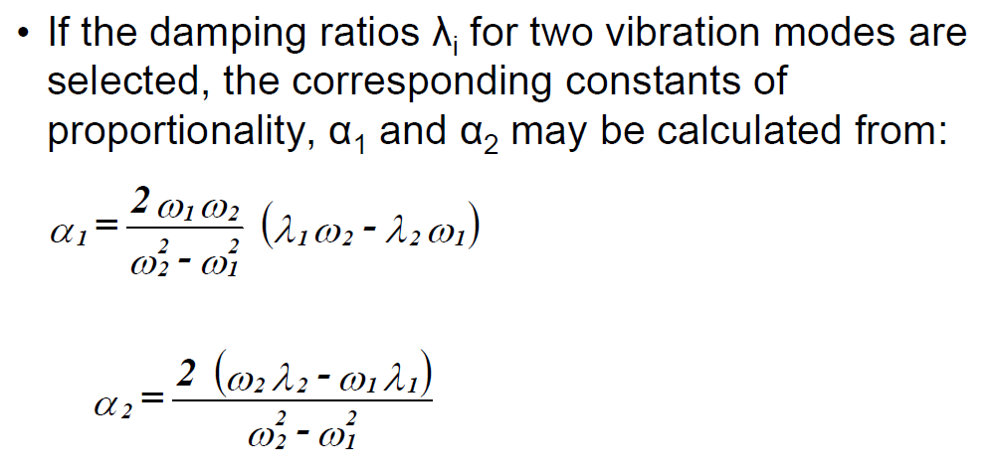

Damping calculation
Rayleigh Viscous Damping (mass and stiffness proportional)

 | [Hz] | [rad/s]
ω(1) (1. frequency) | 2.5 | 15.700000 | inputs
ω(2) (2. frequency) | 0 | 0.000000

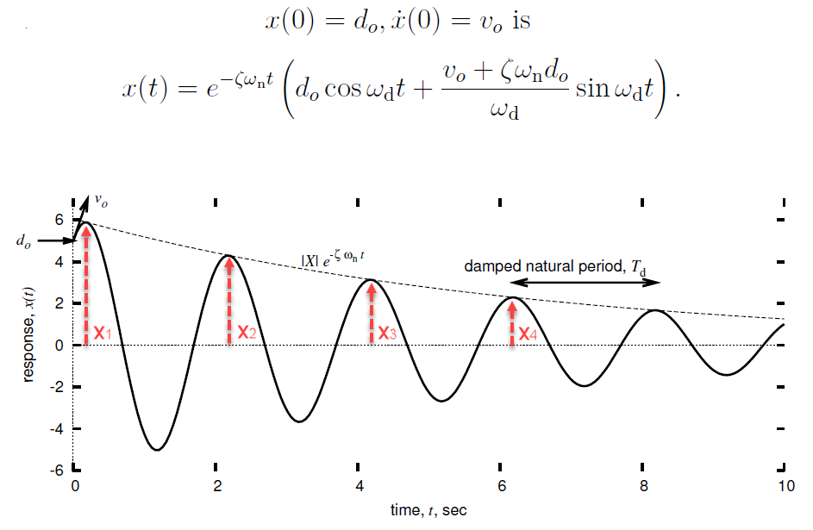
 | [%] | [ ]
ζ(1) (% damping at ω(1)) | 1.3 | 0.013000
ζ(2) (% damping at ω(2)) | 0 | 0.000000

α1 (mass proportional damping) | 0 | <(use with care) | outputs
α2 (stiffness proportional damping) | 0.0016560509554

Logaritmic decrement and damping ratio for one mode (based on measurements)

 | any unit
Number of periods between measured peaks n | 2
Measured peak amplitude x(1) | 14.55 |  | inputs
Measured peak amplitude x(1+n) | 12.4

Logaritmic decrement δ | 0.079947260503 |  | outputs
Damping ratio ζ | 0.012729424042

Damping identification
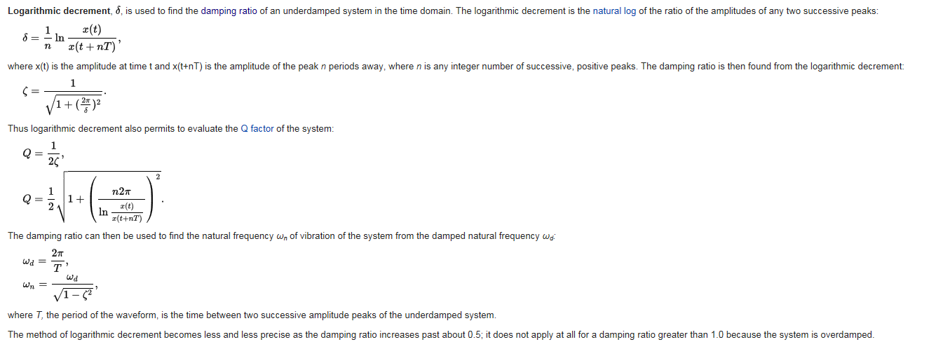
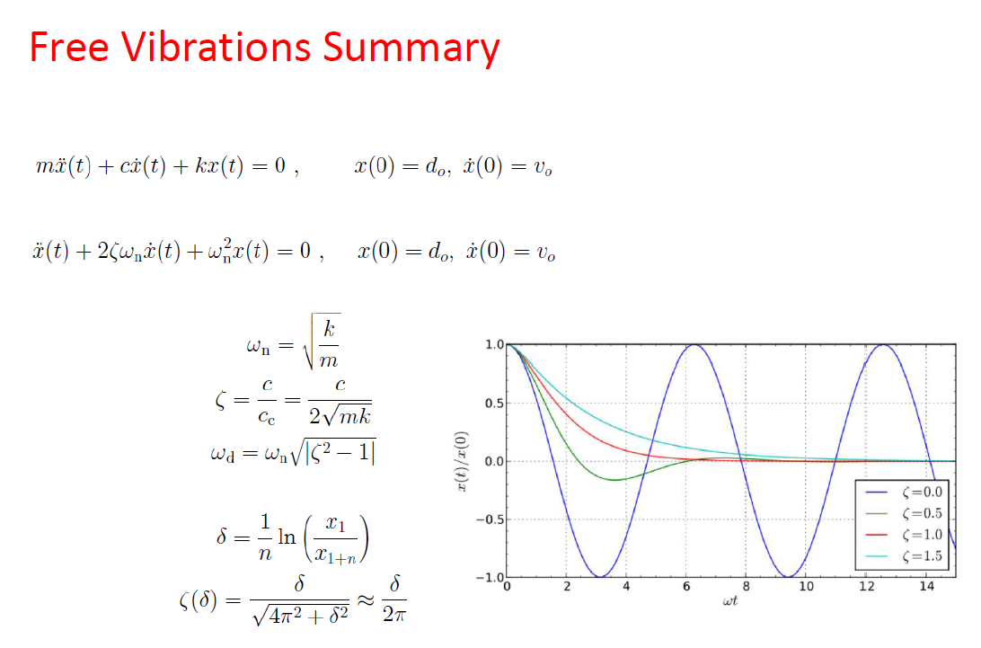
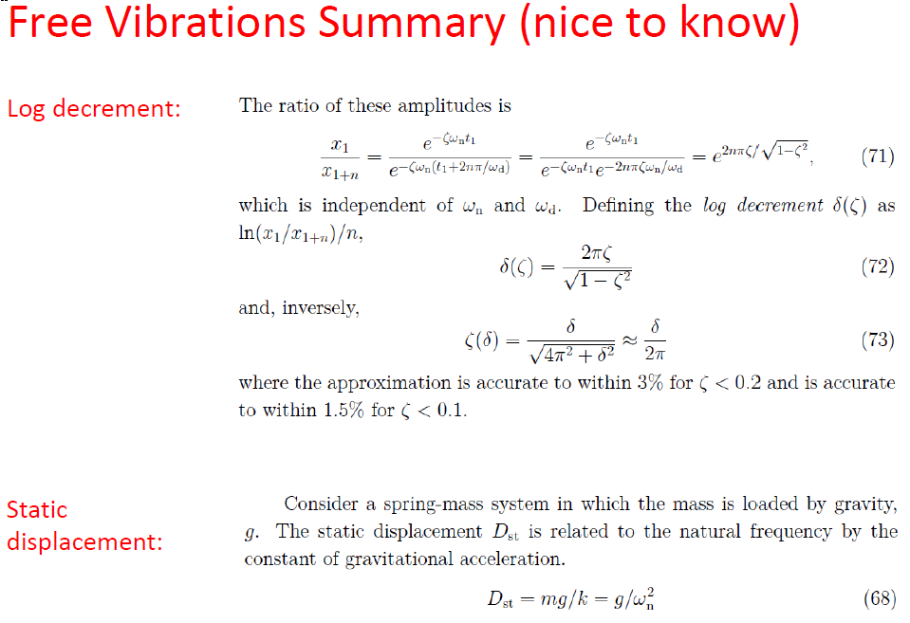
Finding the damping ratio from free response test

Other Material Properties
